Example 2
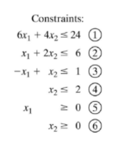
 | Constraints | x1 | x2 | Totals |  | Constraint
 | Constraint 1 | 6 | 4 | 24 | <= | 24
 | Constraint 2 | 1 | 2 | 6 | <= | 6
 | Constraint 3 | -1 | 1 | -1.5 | <= | 1
 | Constraint 4 | 0 | 1 | 1.5 | <= | 2

 | Objective Function | 5 | 4 | 21

 | Decision Variables | 3 | 1.5 | 21

1 | Can drag and drop in solver
2 | Be sure to use Simplex LP. This is an exact answer, not approximation
3 | Use "Options" in solver to set level of precision. If in thousands of dollars, use thounds (0.001)
4 | Use sumproduct for weighting in future

